Procurement-All
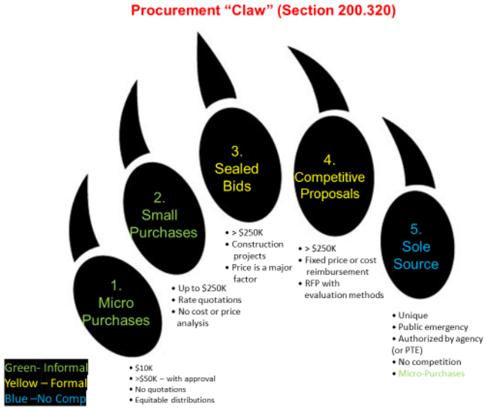
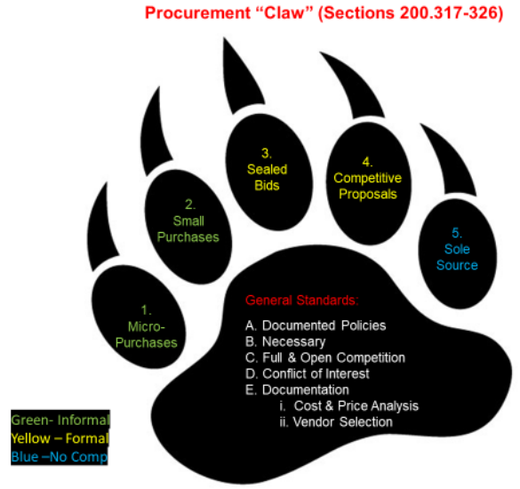
[Entity Name] |  |  |  |  |  | Auditor Notes:
[County Name] |  |  |  |  |  | Procurement Types:
[Audit Period] |  |  |  |  |  | 1. Micro-Purchase - no competitive rate quotes, price must be reasonable (based on documented research, experience, etc.).
 |  |  |  |  |  | 2. Small Purchase - must obtain and document price or rate quotations from adequate number of qualified sources (typically 3 or more)
SLFRF - Procurement and Suspension and Debarment Compliance Testing - Classification |  |  |  |  |  | 3. Sealed Bids - publicly solicited resulting in awarding of a firm, fixed-price contract to responsible bidder with lowest price.
 |  |  |  |  |  | 4. Competitive Proposals - request for proposal publicized resulting in either fixed-price or cost-reimbursement contract.
Objective: | To determine if SLFRF expenditures comply with Federal procurement requirements for FACCR section I. |  |  |  |  | 5. Sole Source - only used if one of five specific circumstances are met: inadequate competition, below micro-purchase threshold,
 | The purpose of this tab is to verify the entity classified purchases under the proper procurement type (types 1-5, see Auditor Notes). |  |  |  |  | only available from single source, public emergency/exigency, or authorized by Federal awarding agency or pass-through entity.
 | Formal procurements (types 3-4) will be detail tested on the Procurement-Formal tab. |  |  |  |  | Additionally, for AOS auditors, the 2022 Spring A&A Procurement webinar and materials are available on the Webinars page of the intranet.
 | The population subject to sampling on this tab is all non-payroll disbursements, subject to carve-out noted below. |  |  |  |  | Refer to the Procurement Claw on right.
 | Carve-Out: Auditors should carve out non-payroll expenditures not subject to procurement from the population which |  |  |  |  | On July 27, 2022, Treasury released new SLFRF FAQs (https://home.treasury.gov/system/files/136/SLFRF-Final-Rule-FAQ.pdf) which clarified in
 | includes, but is not limited to, expenditures from Revenue Loss allowable use category, premium pay, vaccine incentives, etc. Auditors |  |  |  |  | section 13 that procurement requirements are not applicable to expenditures from the Revenue Loss allowable use category.
 | should clearly document the carved-out disbursements in the audit work papers. |  |  |  |  | The attributes on this tab are designed to address Suggested Audit Procedure 5b
 |  |  |  |  |  | The Note on the left addresses step 7 if the Procurement - Formal tab isn't tested (i.e. if the Entity didn’t have formal procurements).
Sources: | {Link to ASDF} |  |  | Per Government's Procurement Policy:
 |  |  |  | Micro-Purchase Threshold #
 |  |  |  | Simplified Acquisition Threshold

 | This note needs to be tailored based on specific facts/circumstances of the audit. Auditors should delete this note if the Procurement-Formal tab is utilized.
Note: | Per the UG, vendors paid $25,000 or more in Federal funding are subject to suspension and debarment requirements. We verified for the vendors selected for testing
 | on this tab which were paid over $25,000 in grant funding (Vendor A, Vendor B, and Vendor C) that the Entity followed its procedures regarding suspension and debarment,
 | meaning they [performed a sam.gov search to verify the vendor(s) were not suspended or debarred AND/OR included suspension and debarment language in the contract
 | with the vendor(s) AND/OR obtained a certification from the vendor(s) that they were not suspended or debarred].
 | Additionally, AOS performed a sam.gov search and verified the vendor(s) [was/were] not suspended, debarred or otherwise excluded. No issues were noted.

Results: |  |  |  | Tickmark Legend:
 |  |  |  | # If the Government has a micro-purchase threshold in excess of $10,000, auditors should document/verify how the Government met the requirements to increase the threshold.
 |  |  |  | Entities may annually self-certify up to $50,000 based on qualification as low-risk auditee in most recent audit, an institutional risk assessment, or a higher threshold consistent with state law.
 |  |  |  | Entities may increase their micro-purchase threshold above $50,000 with cognizant agency approval. Auditors must review and retain copies of this approval if applicable.

 | Payment Information |  |  |  |  |  |  |  | Verification of Amounts | Compliance Attributes, Section I, Completeness
Sample Number | Date | Check Number | Payee | Description of Cost | Amount | Fund(s)-Account Code(s) | Procurement Type | Summary of Procurement Procedures Performed by Government | Per Review of [YTD Ledger by Vendor], Other Payments to the Vendor Did Not Drive The Particular Procurement to Another Method | Is the Procurement Type Consistent with the Government's Procurement Thresholds? | Did the Government Follow the Proper Procurement Procedures for the Transaction?
1

